Block Cipher Modes
Block cipher modes | Can function on Stream | Notes | Diagram
CBC: CYPHER BLOCK CHAINING |  |  | 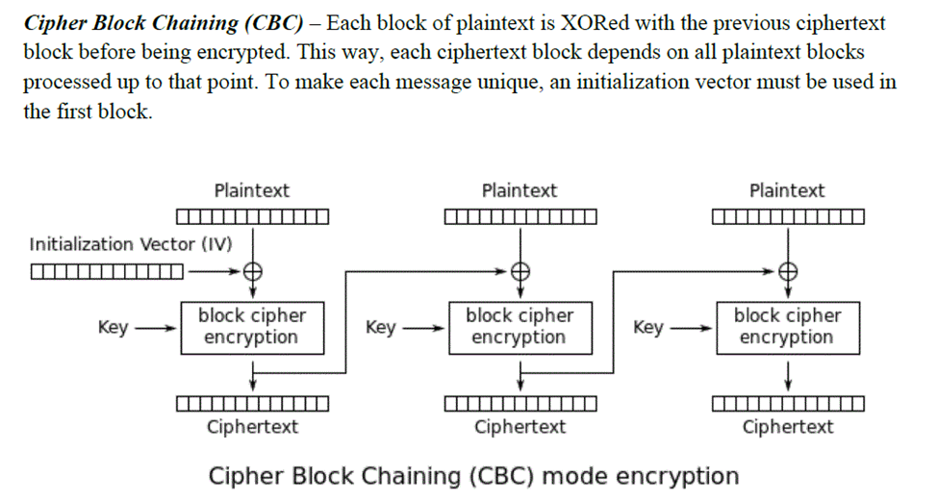
CTR: COUNTER | Yes |  | 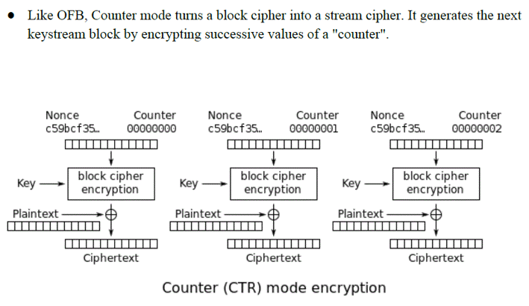
CFB:CIPHER FEEDBACK |  |  | 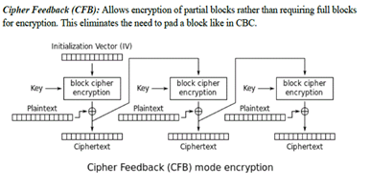
OFB: OUTPUT FEEDBACK | Yes |  | 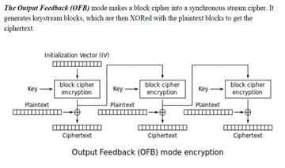
ECB:ELECTRONIC CODE BOOK |  | Simplest mode. Each plaintext block encrypts to same length cipher block. Same plaintext encrypts to same ciphertext. | 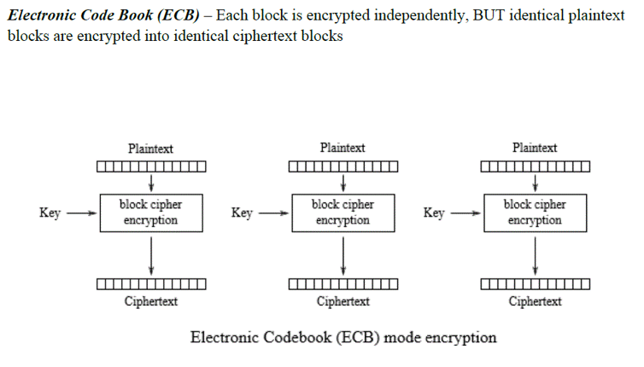
PCBC: PROPAGATING CIPHER BLOCK CHAINING |  |  | 